Sheet1
 | xlabel | ylabel
'Fp1' | 383.53694581 | 792.5410509
'AF3' | 392.97536946 | 718.60673235
'F7' | 224.65681445 | 674.56075534 | first letter means
'F3' | 353.64860427 | 647.81855501 | F-frontal
'FC1' | 411.85221675 | 562.8727422 | C-Central
'FC5' | 257.69129721 | 572.31116585 | T-temporal
'T7' | 158.58784893 | 479.5 | P-parietal
'C3' | 325.33333333 | 477.92692939 | O-occipital
'CP1' | 413.42528736 | 396.1272578
'CP5' | 256.1182266 | 385.11576355
'P7' | 221.51067323 | 282.86617406
'P3' | 355.22167488 | 308.03530378
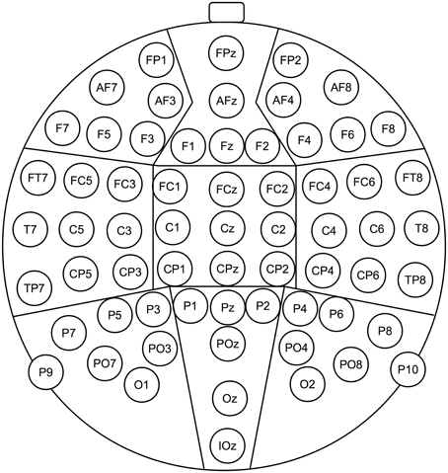
'Pz' | 490.50574713 | 314.32758621
'PO3' | 391.40229885 | 240.39326765
'O1' | 386.68308703 | 163.31280788
'Oz' | 488.93267652 | 149.15517241
'O2' | 586.46305419 | 163.31280788
'PO4' | 584.88998358 | 240.39326765
'P4' | 622.64367816 | 309.60837438
'P8' | 753.20853859 | 284.43924466
'CP6' | 717.02791461 | 385.11576355
'CP2' | 559.72085386 | 394.55418719
'C4' | 650.9589491 | 479.5
'T8' | 814.55829228 | 479.5
'FC6' | 717.02791461 | 572.31116585
'FC2' | 566.01313629 | 562.8727422
'F4' | 619.49753695 | 650.96469622
'F8' | 754.7816092 | 676.13382594
'AF4' | 584.88998358 | 718.60673235
'Fp2' | 591.18226601 | 794.11412151
'Fz' | 488.93267652 | 643.09934319
'Cz' | 488.93267652 | 481.07307061
'FCz' | 487.35960591 | 564.44581281
'Iz' | 485.7865353 | 73.647783251

